Sheet1
 |  | Document No. | Issue No. | Issue Date |  | Review and Replace Date |  | Authorised By
 |  | GFF306MC | 5 | 22.09.2021 |  | 04.04.2023
 |  | Document Title | Chicken Cacciatore with Sweet Potato Mash 400g
 |  | Tray & Film Changed |  |  | Page |  | 1 of 1 | Magda Shah
Document amendments reason for change |  |  |  |  | Previous Issue Date |  | 21.12.2022 | Uncontrolled copy unless signed original

FCCSP1-R8TMC | MINDFUL CHEF |  | CHICKEN CACCIATORE WITH SWEET POTATO MASH 400G | FROZEN
STEP 1 |  |  |  |  | STEP 2
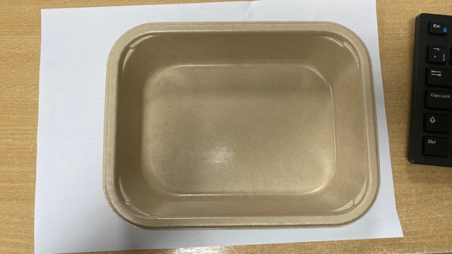 |  |  |  |  | 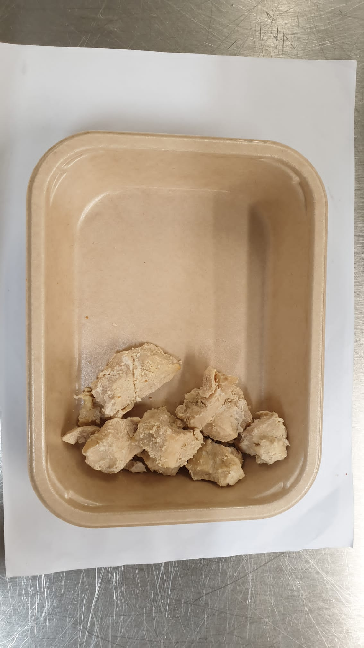

PACK DAY + 1 YEAR
NON- MAP Pack

Tray:Flat Tray- PET Fresh Fibre Food Tray (200 x 155 x 39)-PKHUH001-01 |  |  |  |  | Mindful Chef Cooked Chicken(GFF357R) : 70g
Film: K peel 7G+25A/f-275mm-(PKKMP001-03)
STEP 3 |  |  |  |  | STEP 4
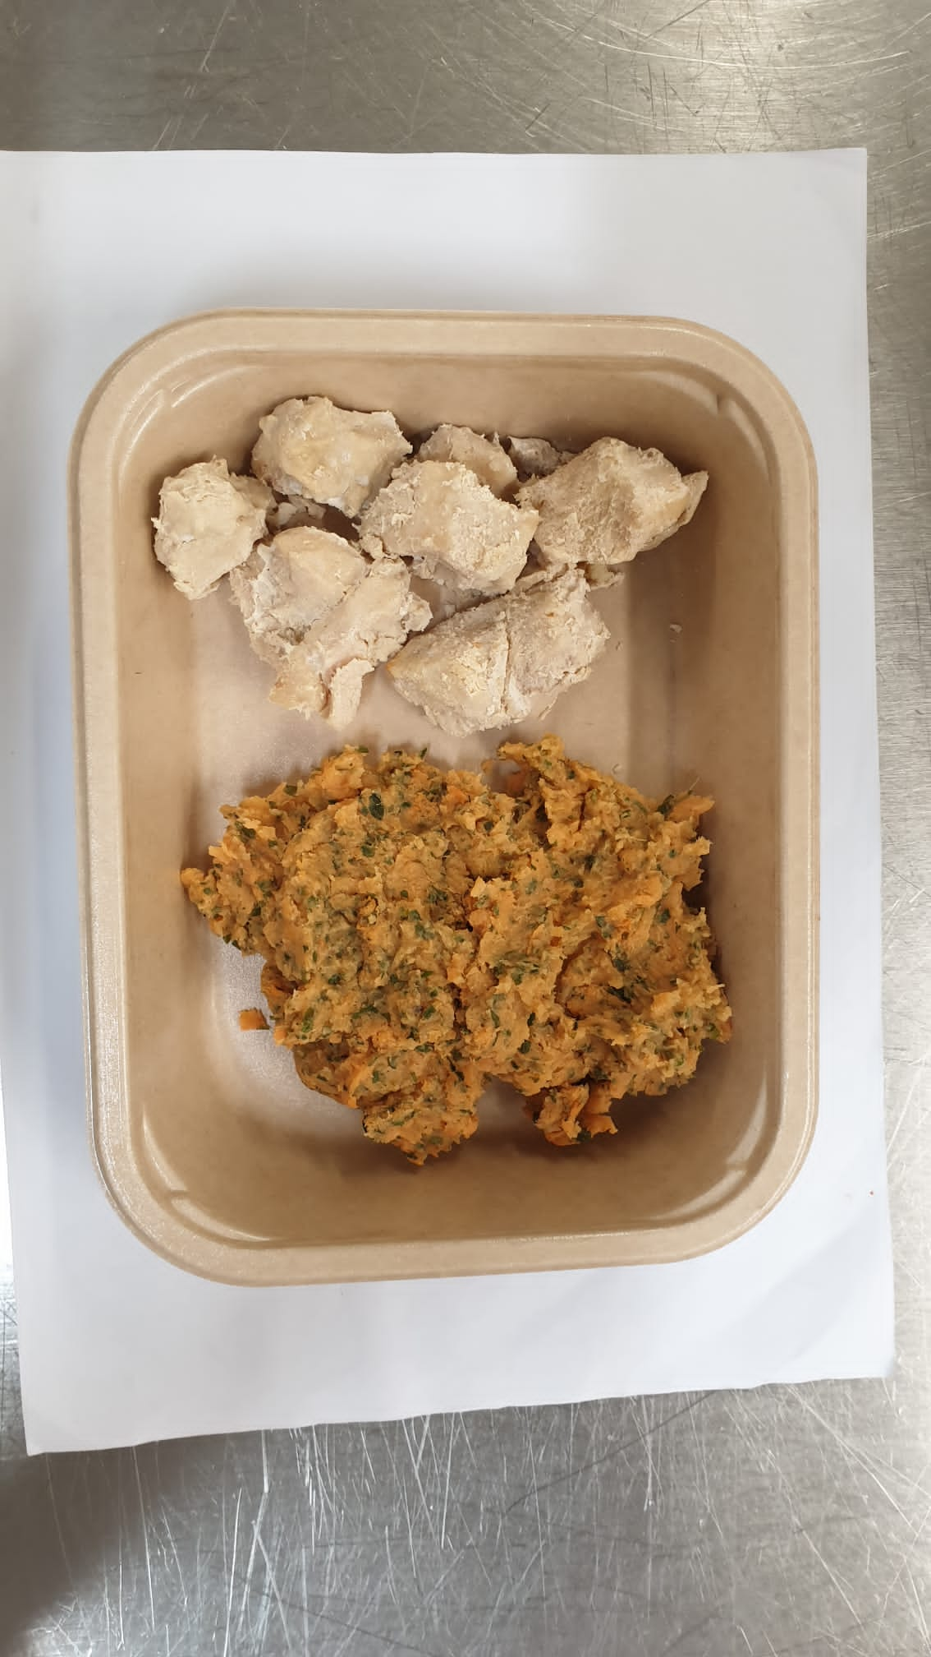

Parsley Sweet Potato Mash (MC) (GFF366R): 160g |  |  |  |  | Cacciatore Sauce(GFF375R) : 170g |  |  | TOTAL WEIGHT: 400g

ALLERGY ALERT: NONE

